Table
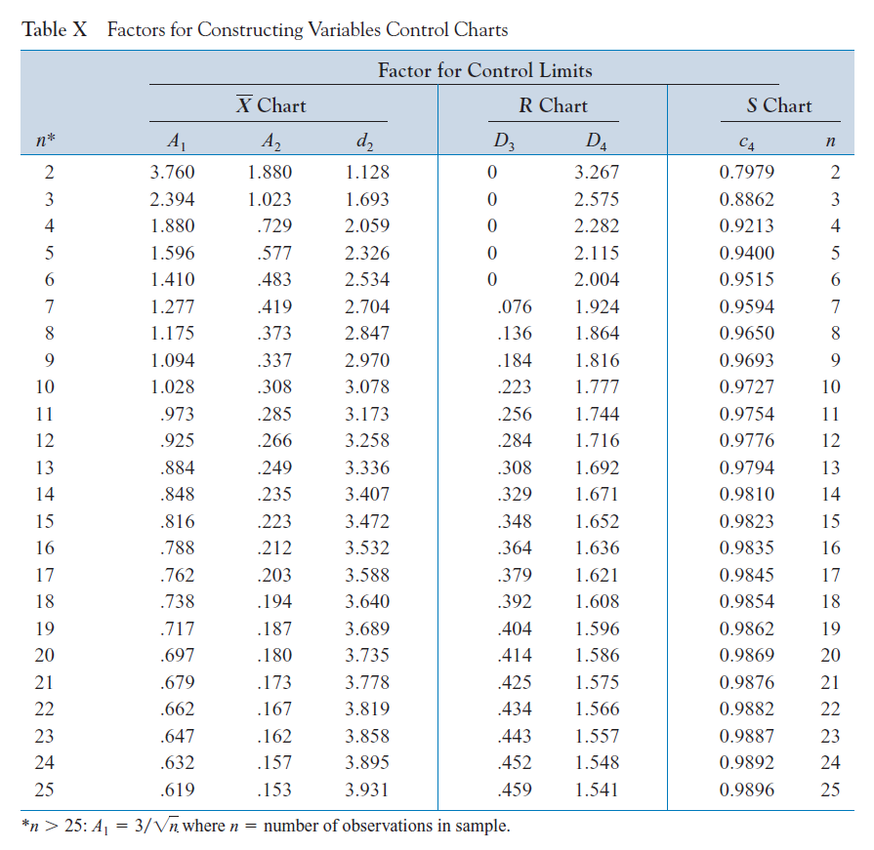

Concentration
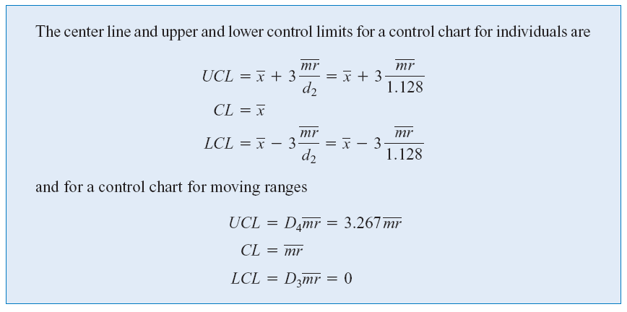
X-bar Chart
Sample | Concentration | MR | CL | UCL | LCL | CL | UCL | LCL
1 | 102.0 |  | 0.0 | 0.0 | 0.0
2 | 94.8 |  | 0.0 | 0.0 | 0.0 | 0.0 | 0.0 | 0.0
3 | 98.3 |  | 0.0 | 0.0 | 0.0 | 0.0 | 0.0 | 0.0
4 | 98.4 |  | 0.0 | 0.0 | 0.0 | 0.0 | 0.0 | 0.0
5 | 102.0 |  | 0.0 | 0.0 | 0.0 | 0.0 | 0.0 | 0.0
6 | 98.5 |  | 0.0 | 0.0 | 0.0 | 0.0 | 0.0 | 0.0
7 | 99.0 |  | 0.0 | 0.0 | 0.0 | 0.0 | 0.0 | 0.0
8 | 97.7 |  | 0.0 | 0.0 | 0.0 | 0.0 | 0.0 | 0.0
9 | 100.0 |  | 0.0 | 0.0 | 0.0 | 0.0 | 0.0 | 0.0
10 | 98.1 |  | 0.0 | 0.0 | 0.0 | 0.0 | 0.0 | 0.0
MR Chart
 | MR | CL | UCL | LCL
 |  | 0.0 | 0.0 | 0.0
 |  | 0.0 | 0.0 | 0.0
 |  | 0.0 | 0.0 | 0.0
 |  | 0.0 | 0.0 | 0.0
 |  | 0.0 | 0.0 | 0.0
 |  | 0.0 | 0.0 | 0.0
 |  | 0.0 | 0.0 | 0.0
 |  | 0.0 | 0.0 | 0.0
 |  | 0.0 | 0.0 | 0.0
 |  | 0.0 | 0.0 | 0.0
 |  | 0.0 | 0.0 | 0.0
 |  | 0.0 | 0.0 | 0.0
 |  | 0.0 | 0.0 | 0.0
 |  | 0.0 | 0.0 | 0.0
 |  | 0.0 | 0.0 | 0.0
 |  | 0.0 | 0.0 | 0.0
 |  | 0.0 | 0.0 | 0.0
 |  | 0.0 | 0.0 | 0.0
 |  | 0.0 | 0.0 | 0.0
11 | 101.3 |  | 0.0 | 0.0 | 0.0 | 0.0 | 0.0 | 0.0
12 | 98.7 |  | 0.0 | 0.0 | 0.0 | 0.0 | 0.0 | 0.0
13 | 101.1 |  | 0.0 | 0.0 | 0.0 | 0.0 | 0.0 | 0.0
14 | 98.4 |  | 0.0 | 0.0 | 0.0 | 0.0 | 0.0 | 0.0
15 | 97.0 |  | 0.0 | 0.0 | 0.0 | 0.0 | 0.0 | 0.0
16 | 96.7 |  | 0.0 | 0.0 | 0.0 | 0.0 | 0.0 | 0.0
17 | 100.3 |  | 0.0 | 0.0 | 0.0 | 0.0 | 0.0 | 0.0
18 | 101.4 |  | 0.0 | 0.0 | 0.0 | 0.0 | 0.0 | 0.0
19 | 97.2 |  | 0.0 | 0.0 | 0.0 | 0.0 | 0.0 | 0.0
20 | 101.0 |  | 0.0 | 0.0 | 0.0 | 0.0 | 0.0 | 0.0
Average (CL)
UCL
LCL

CircuitBoard
Every hour, five boards are selected and inspected for process-control purpose.
Sample | Number of Defects | Defects per Unit | CL | UCL | LCL
1 | 6 | 1.2 | 0.0 | 0.0 | 0.0
2 | 4 | 0.8 | 0.0 | 0.0 | 0.0
3 | 8 | 1.6 | 0.0 | 0.0 | 0.0
4 | 10 | 2.0 | 0.0 | 0.0 | 0.0
5 | 9 | 1.8 | 0.0 | 0.0 | 0.0
6 | 12 | 2.4 | 0.0 | 0.0 | 0.0
7 | 16 | 3.2 | 0.0 | 0.0 | 0.0
U Chart
8 | 2 | 0.4 | 0.0 | 0.0 | 0.0
9 | 3 | 0.6 | 0.0 | 0.0 | 0.0
10 | 10 | 2.0 | 0.0 | 0.0 | 0.0
11 | 9 | 1.8 | 0.0 | 0.0 | 0.0
12 | 15 | 3.0 | 0.0 | 0.0 | 0.0
13 | 8 | 1.6 | 0.0 | 0.0 | 0.0
14 | 10 | 2.0 | 0.0 | 0.0 | 0.0
15 | 8 | 1.6 | 0.0 | 0.0 | 0.0
16 | 2 | 0.4 | 0.0 | 0.0 | 0.0
17 | 7 | 1.4 | 0.0 | 0.0 | 0.0
18 | 1 | 0.2 | 0.0 | 0.0 | 0.0
19 | 7 | 1.4 | 0.0 | 0.0 | 0.0
20 | 13 | 2.6 | 0.0 | 0.0 | 0.0
Average (CL)

n
UCL
UCL

Concentration-2
Target for process mean = 99
Sample | Concentration (xi) | xi - 99 | si = (xi - 99) + si-1 | Moving Average (4)
1 | 102.0 | 3.0
2 | 94.8 | -4.2
3 | 98.3 | -0.7
4 | 98.4 | -0.6
5 | 102.0 | 3.0
6 | 98.5 | -0.5
7 | 99.0 | 0.0
8 | 97.7 | -1.3
9 | 100.0 | 1.0
10 | 98.1 | -0.9
11 | 101.3 | 2.3
12 | 98.7 | -0.3
13 | 101.1 | 2.1
14 | 98.4 | -0.6
15 | 97.0 | -2.0
16 | 96.7 | -2.3
17 | 100.3 | 1.3
18 | 101.4 | 2.4
19 | 97.2 | -1.8
20 | 101.0 | 2.0

si
 | si = (xi - 99) + si-1
Moving Average
 | Concentration (xi) | Moving Average (4)
 | 102.0
 | 94.8
 | 98.3
 | 98.4
 | 102.0
 | 98.5
 | 99.0
 | 97.7
 | 100.0
 | 98.1
 | 101.3
 | 98.7
 | 101.1
 | 98.4
 | 97.0
 | 96.7
 | 100.3
 | 101.4
 | 97.2
 | 101.0

